Instructions
Overview
This template allows you to fill in information to populate the Checklists required for each of the entities, and the set up of the Procedures for each of these checklists.

Instructions
1. Fill in ONLY the tabs DATA - Checklists and DATA - Procedures, the other tabs are for Workiva internal use.
2. Follow the guide below this box to help you fill in each of the columns. In general, be mindful of spelling, punctuation and leading spaces as this will connect with the first template (Entity information)
3. Fill in ONLY the orange columns, the grey columns are for Workiva internal use.
4. If you require any other fields on the Checklist or Procedure level, add a column with this field at the end of the applicable sheet, and discuss this with your SA when possible.
5. Note that procedures should be populated for ALL entities requiring a checklist - see screenshot below for reference.

 | "DATA - Checklists" Tab

 | Column Name | Description of the data required/advice
A |  | Do not complete - Workiva internal column
B | Name of the entity (One row per entity) | Name of the Legal Entity - be mindful of spelling so it matches the "Entity Information Import" template exactly
C | Objective | Description of the purpose of the checklist
D | Year of filing | Year of filing for the checklist. Generally this is the current filing year/calendar year
E | Custom status if needed, else will maintain default system statuses (eg:Not started/complete) | Custom statuses as per customer need can be included here - if left empty this will default to system status of Not Started (FYI system defaults are "Not Started," "On Track," "In Review," "Completed," "Not Applicable")
F | Person responsible for Entity, make sure this matches the previous template | The name of the person/team responsible for the template. Most likely the same as who was responsible for the entity in the previous template - make sure the name matches exactly.
G |  | Do not complete - Workiva internal column
H |  | Do not complete - Workiva internal column
I | Submission Date if available | The date of submission for the entity - leave blank if not available/applicable

Example:
 | "DATA - Procedures" Tab
 | Column Name | Description of the data required/advice
A | Name of the entity, make sure it matches the previous tab you completed exactly (lowercase/uppercase/punctuation) | Name of the Legal Entity - be mindful of spelling so it matches the "DATA- Checklists" tab exactly
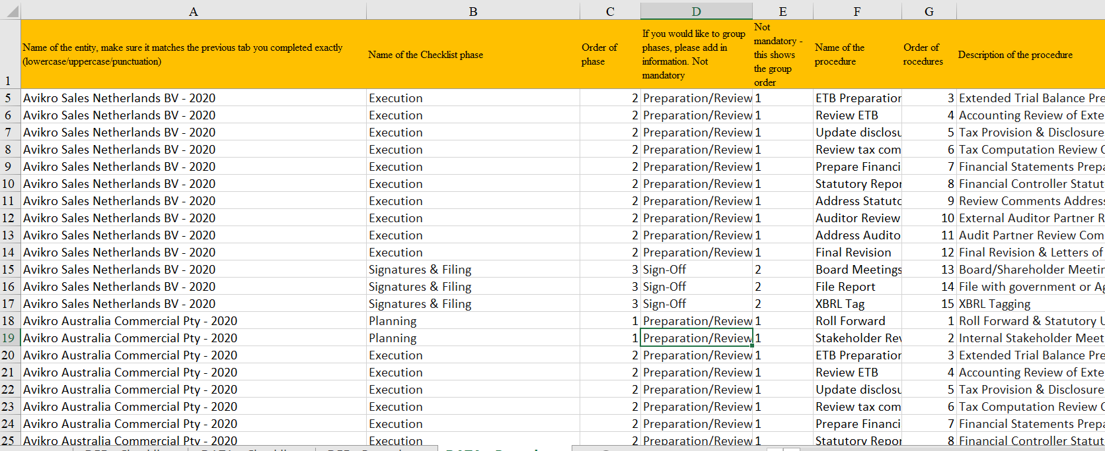
B | Name of the Checklist phase | Phase of the given procedure - some examples are given, but can be adjusted to what is required by the customer
Procedures for entity 1
C | Order of phase | Shows what order the phases should be in - numerical value. Examples are given
D | If you would like to group phases, please add in information. Not mandatory | Name of group if these phases are to be further grouped. To be defined by the customer. Not mandatory
E | Not mandatory - this shows the group order | Shows what order the phase groups should be in - numerical value. Not mandatory unless you have filled column D out
F | Name of the procedure | Name of the procedure can be placed here, alternatively numbers can be used as the titles if the description (column H) is filled out.
G | Order of procedures | Shows what order the procedures should be in - numerical value. Examples are given.
H | Description of the procedure | Description of the procedure. Examples are given here.
Procedures for entity 2
I | Planned date of completion Not mandatory | Planned date of completing the procedure - can be left empty if unknown or not applicable.
J | Procedure status - please define if any custom procedures required, else will default (Not started) | Custom statuses as per customer need can be included here - if left empty this will default to system status of Not Started (FYI system defaults are "Not Started," "In Progress," "In Review," "Completed," "Not Applicable")
K | Procedure completed actual date (not mandatory) | Actual date of completing the procedure - this will most likely be after this Entity Management solution will be implemented, and can be left empty if so.
L onwards | Form_Definition | Do not complete - Workiva internal columns

